COVER PAGE
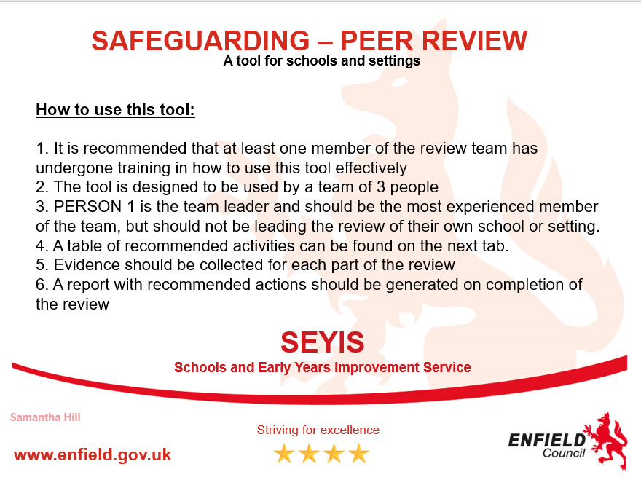
 | Name of School:

 | Date of completion:

 | Names of team completing this audit:

