COVER PAGE
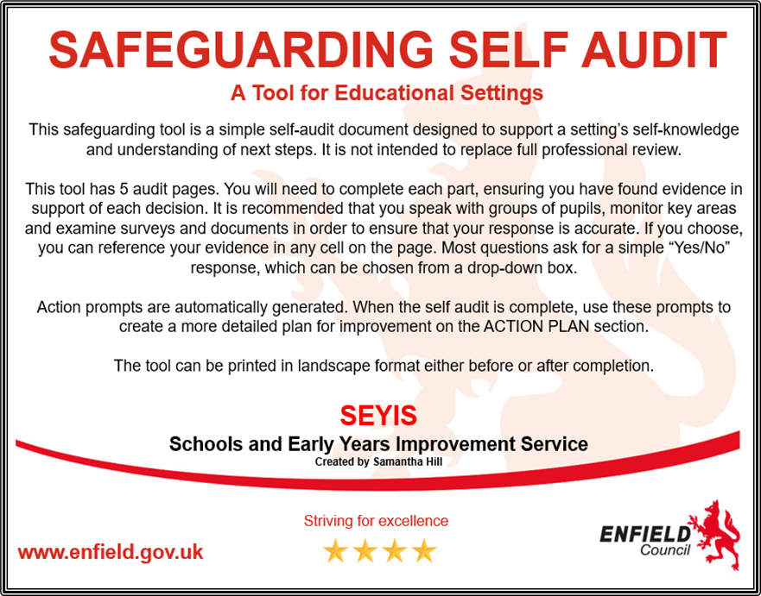
 | Name of School:

 | Date of completion:

 | Name of person completing this audit:

